Home
Home Screen
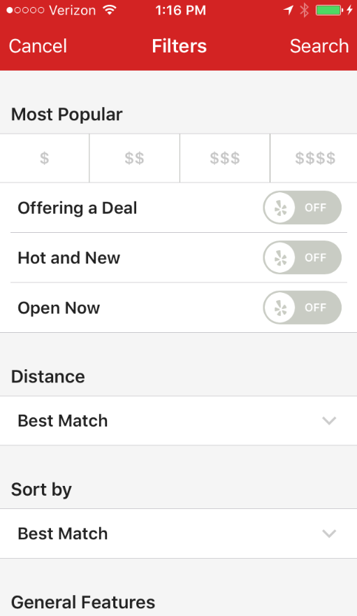
12:47 PM
Verizon
Family
Full Bar
Fine Dining
Food or Drink:
Both
Search

Fast Food
Family
Full Bar
Fine Dining
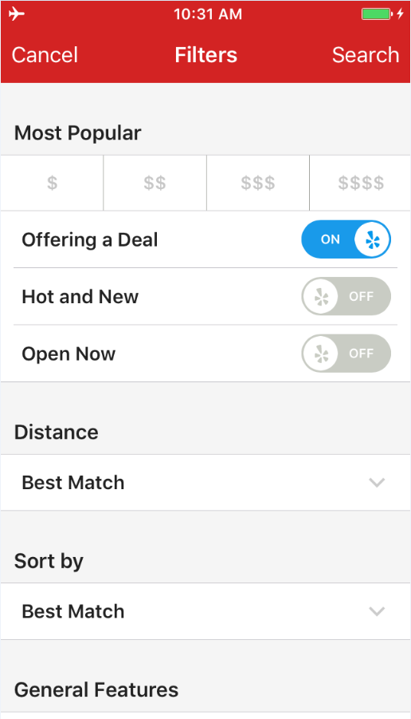
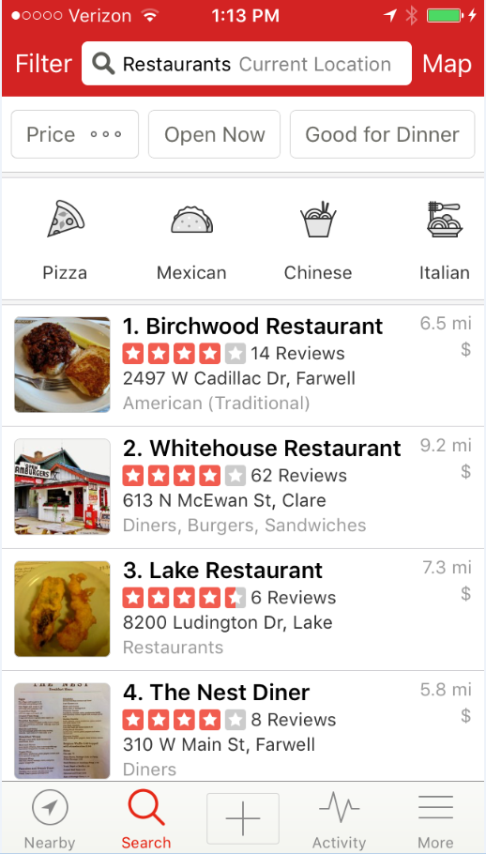
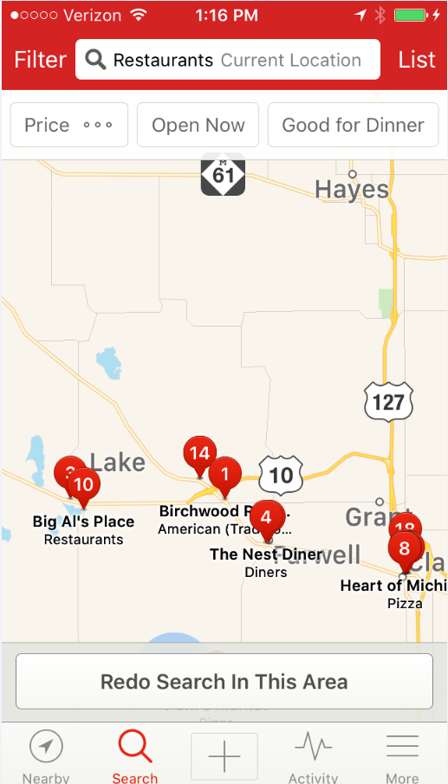

Time:
Now
Cuisine:
All
Time
Now

Sort by:
Distance
Wifi:
Yes
Food or Drink
Both

Alcohol:
n/a
Outdoors:
n/a
Food or Drink
Both
Cuisine
All

Current Map Area
Search Area:
Alcohol
With & Without

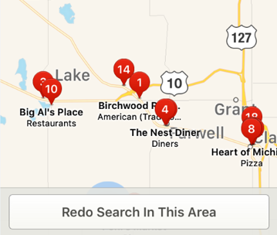
Outdoor Seating
With & Without

Location
Current

Distance
Map

Sort By
Distance

WiFi
With & Without

Sort by:

Specific restaurant or keyword

Food or Drink
Food or Drink:
Both
Search
Search kicks off the overall search for Specials

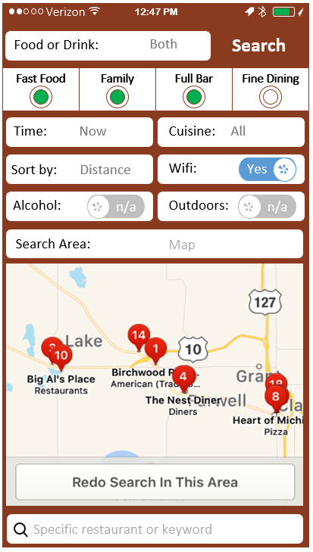

Food & Drink Specials

Food Specials Only

Drink Specials Only

>

Time
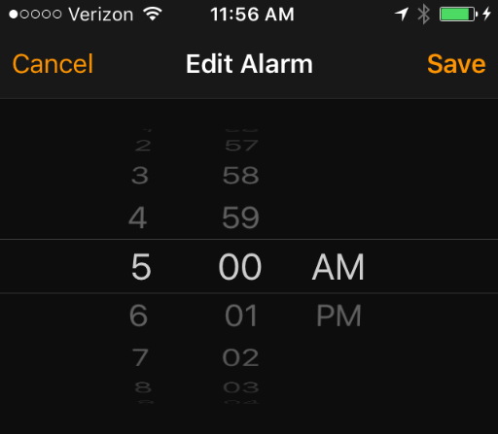
Time

Select Time

Cuisine
American

Chinese

Thai

Pizza

Mexican

Vegetarian

Vietnamese

Sushi

Symbols
Symbols
 | Standard Layout
12:47 PM
Verizon
Top Upper

Text Box
Top Lower

Examples
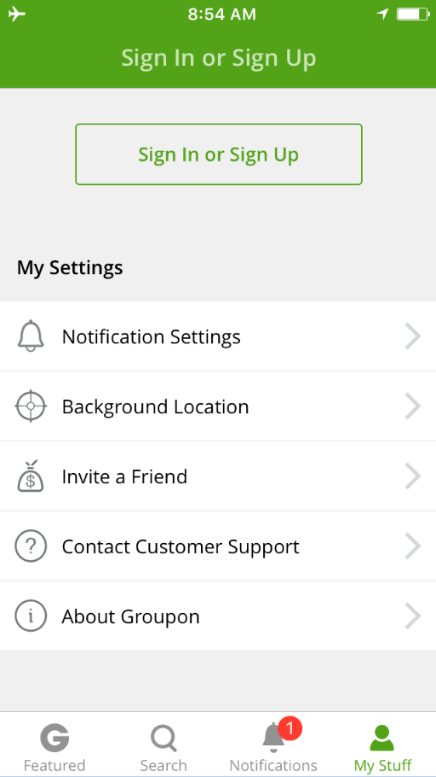
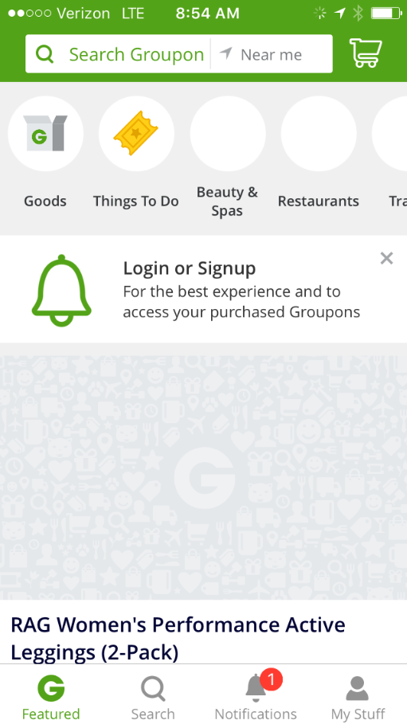
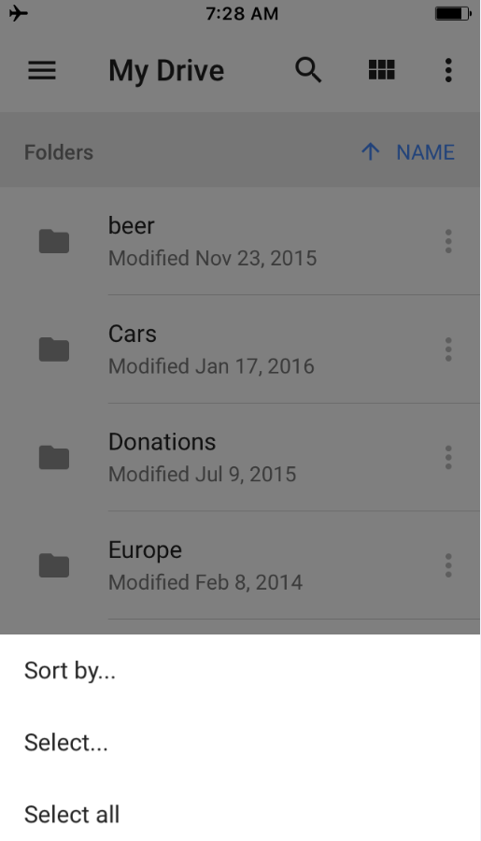
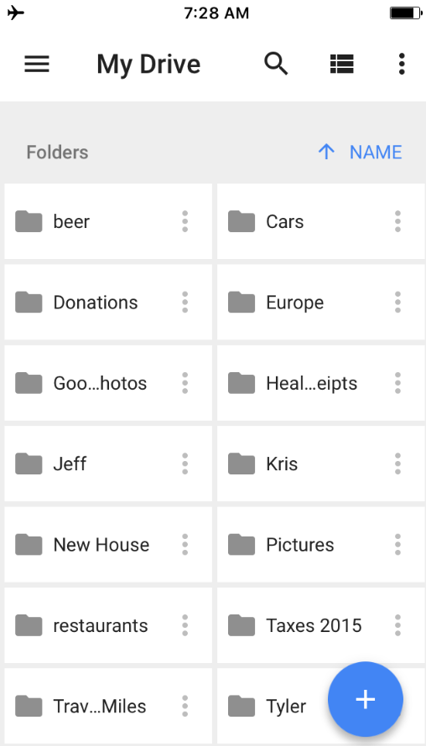
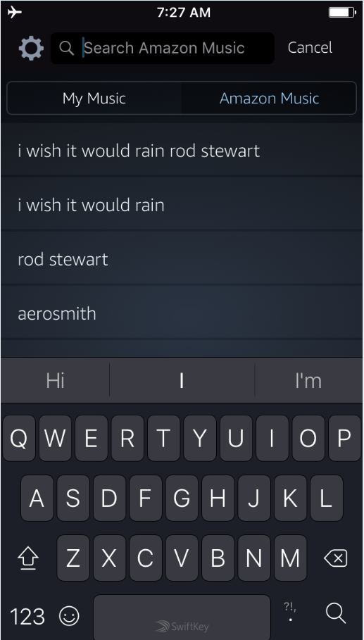
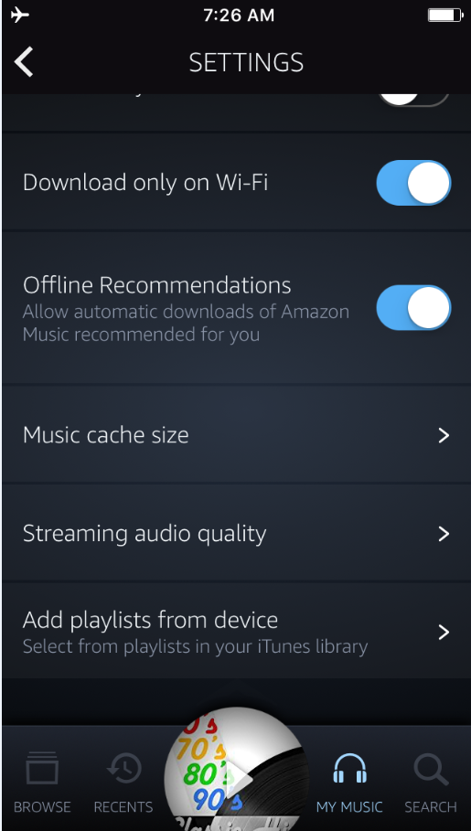
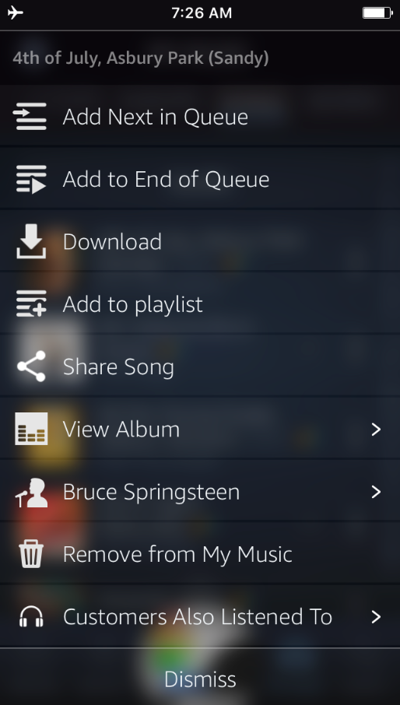
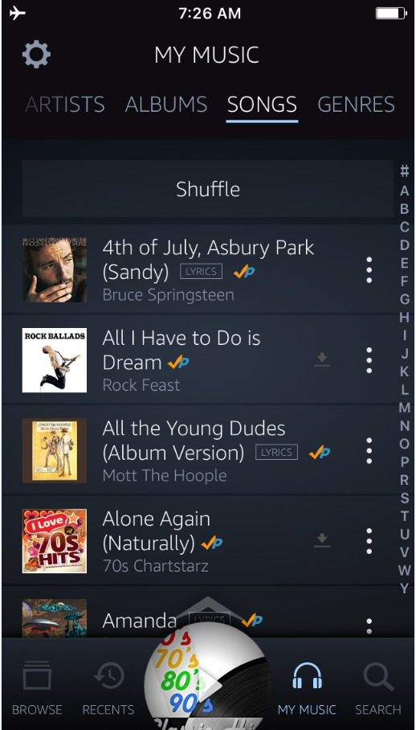
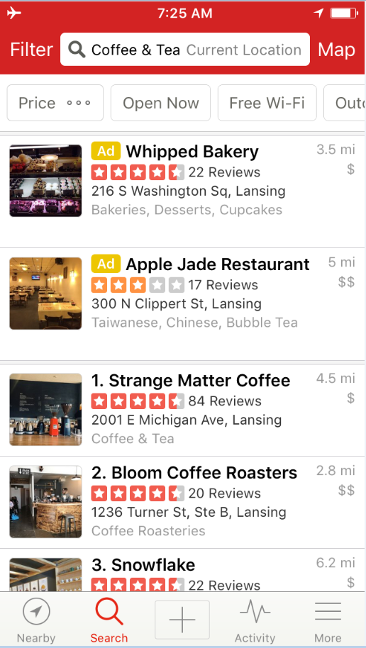
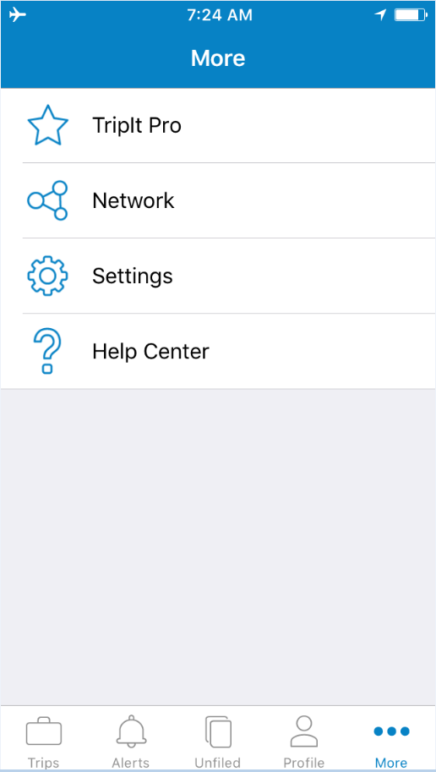
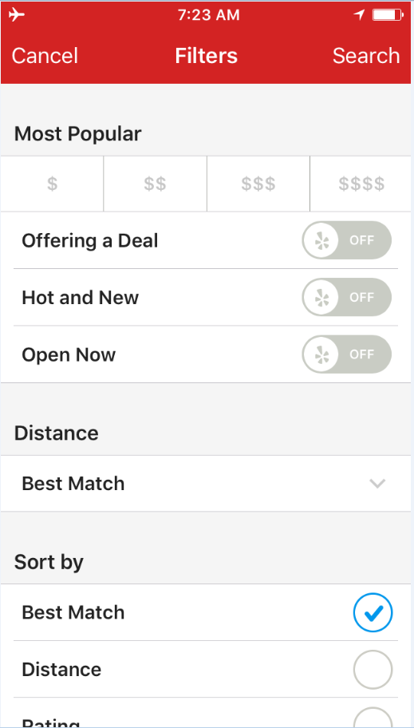
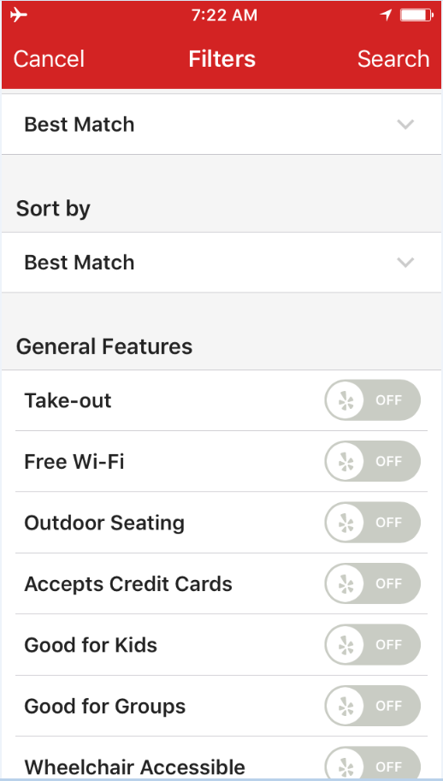
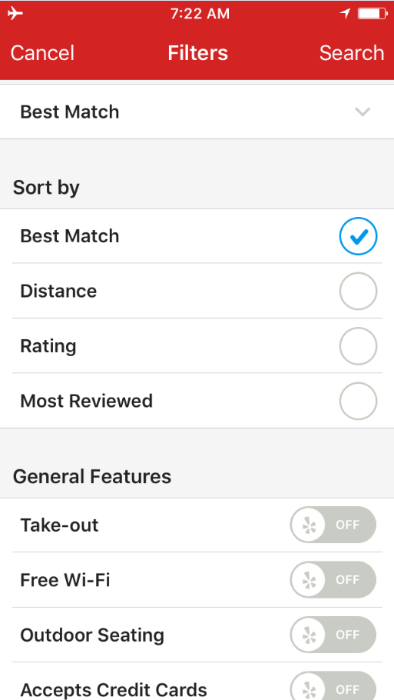
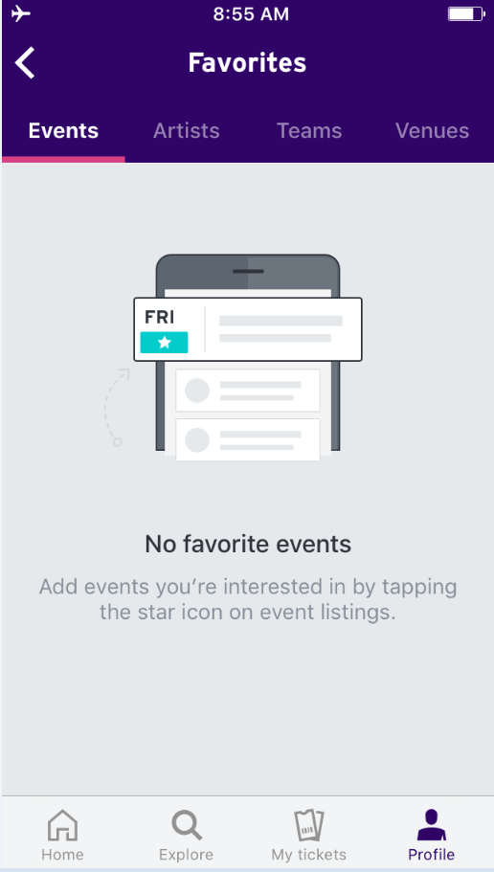
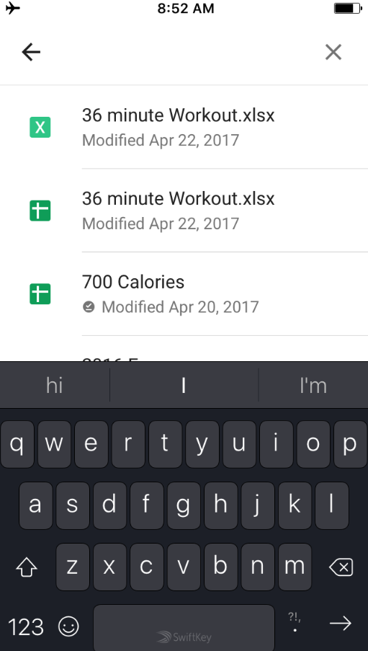
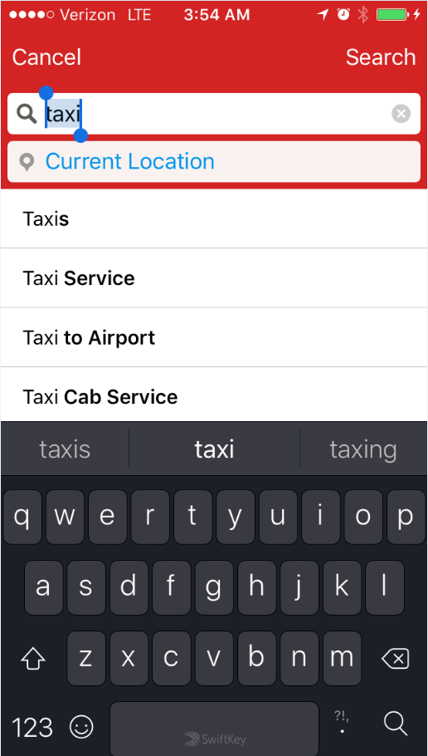
Search

